cov
week | WEEKLY RETURN FOR KO | WEEKLY RETURN FOR PEP | dev KO | dev PEP | Product |  | GROWTH | VALUE
 |  |  |  |  |  | Cov | 0.00016
1 | 0.70% | 1.02% | 0.24% | 0.81% | 0.0019% | Correlation | 0.32
2 | 2.65% | 6.26% | 2.19% | 6.04% | 0.1326%
3 | 3.46% | -1.19% | 3.01% | -1.40% | -0.0423% | manual | -1.00
4 | -0.10% | 4.58% | -0.55% | 4.37% | -0.0242% | stdve | 0.02 | 0.03
5 | 2.01% | -1.63% | 1.56% | -1.85% | -0.0287%
WEEKLY RETURN FOR KO and WEEKLY RETURN FOR PEP
6 | -1.07% | -1.08% | -1.53% | -1.29% | 0.0198%
7 | -0.27% | -2.96% | -0.73% | -3.17% | 0.0230%
8 | -0.65% | -1.65% | -1.11% | -1.87% | 0.0207%
9 |  |  | -0.45% | -0.22% | 0.0010%
10 |  |  | -0.45% | -0.22% | 0.0010%
11 | -4.27% | -2.50% | -4.72% | -2.71% | 0.1282%
12 | 0.23% | 1.65% | -0.22% | 1.43% | -0.0031%
13 | 2.52% | 0.33% | 2.07% | 0.11% | 0.0023%
14 | 0.86% | 2.03% | 0.40% | 1.81% | 0.0073%
15 | 2.40% | -2.14% | 1.94% | -2.36% | -0.0458%
16 | -1.16% | -3.60% | -1.61% | -3.82% | 0.0615%
17 | 1.85% | -1.41% | 1.40% | -1.62% | -0.0227%
18 | 2.09% | 2.42% | 1.63% | 2.20% | 0.0359%
19 | 0.57% | 5.71% | 0.12% | 5.50% | 0.0066%
20 | 1.50% | 1.09% | 1.05% | 0.88% | 0.0092%
21 |  | -0.93% | -0.45% | -1.15% | 0.0052%
22 |  | -1.23% | -0.45% | -1.45% | 0.0066%
23 | -0.88% |  | -1.33% | -0.22% | 0.0029%
24 | -1.39% |  | -1.84% | -0.22% | 0.0040%
25 | -1.50% | -1.52% | -1.95% | -1.73% | 0.0338%
26 | -1.62% | -0.66% | -2.07% | -0.88% | 0.0182%
27 | 0.30% | -0.51% | -0.15% | -0.72% | 0.0011%
28 | -0.61% | 3.57% | -1.06% | 3.36% | -0.0356%
29 | 2.15% | 4.26% | 1.70% | 4.05% | 0.0687%
30 | -0.44% | -2.91% | -0.89% | -3.12% | 0.0279%
31 | -0.97% | 0.14% | -1.43% | -0.07% | 0.0010%
32 | -0.03% | 5.90% | -0.48% | 5.69% | -0.0275%
33 | -2.08% | -0.09% | -2.53% | -0.31% | 0.0077%
34 | 1.44% | 3.31% | 0.99% | 3.10% | 0.0306%
35 | 2.17% | 1.52% | 1.71% | 1.31% | 0.0224%
36 |  | -1.36% | -0.45% | -1.58% | 0.0072%
37 |  |  | -0.45% | -0.22% | 0.0010%
38 | -0.47% |  | -0.93% | -0.22% | 0.0020%
39 | -1.03% | -1.08% | -1.49% | -1.30% | 0.0193%
40 | 0.46% | 1.63% | 0.00% | 1.42% | 0.0000%
41 | -0.31% | -2.00% | -0.77% | -2.21% | 0.0170%
42 | 2.10% | 1.18% | 1.65% | 0.96% | 0.0158%
43 | -1.58% | -2.47% | -2.04% | -2.69% | 0.0548%
44 | -0.36% | 0.28% | -0.81% | 0.06% | -0.0005%
45 | -1.50% | -6.62% | -1.95% | -6.84% | 0.1335%
46 | 2.20% | -1.10% | 1.75% | -1.31% | -0.0230%
47 | 2.13% | -1.48% | 1.68% | -1.70% | -0.0285%
48 | -0.62% | -1.78% | -1.08% | -2.00% | 0.0215%
49 | 2.49% | 2.62% | 2.03% | 2.41% | 0.0489%
50 |  | -2.11% | -0.45% | -2.32% | 0.0106%
51 |  |  | -0.45% | -0.22% | 0.0010%
52 | -3.17% |  | -3.62% | -0.22% | 0.0078%
53 | 0.30% | 0.64% | -0.15% | 0.42% | -0.0006%
54 | -0.20% | -0.02% | -0.66% | -0.24% | 0.0015%
55 | 3.60% | 7.05% | 3.15% | 6.83% | 0.2152%
56 | 7.89% | -0.82% | 7.43% | -1.04% | -0.0769%

regression data
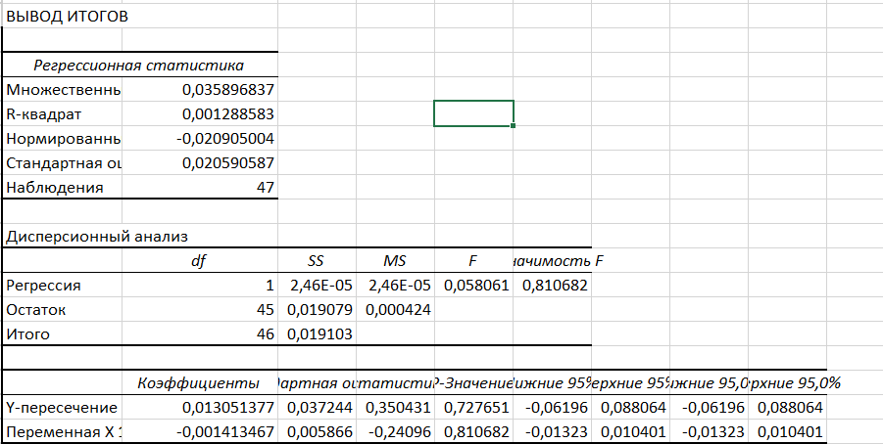
6 | Date | COLA daily return minus the 10-year Treasury return | GSPC | PEP daily return minus the 10-year Treasury return | GSPC | WEEKLY RETURN FOR KO | WEEKLY RETURN FOR PEP
DO NOT CHANGE THIS COLUMN | 2/2/2026 |  |  |  |  |  |  |  | Date | Open | High | Low | Close | Adj Close | Volume
 | 1/26/2026 | 0,70% | 6,939 | 1,02% | 6,939 | 0.70% | 1.02% |  | 1/26/2026 | 6,923.23 | 7,002.28 | 6,870.80 | 6,939.03 | 6,939.03 | 29,382,560,000
1 | 1/19/2026 | 2,65% | 6,916 | 6,26% | 6,916 | 2.65% | 6.26% |  | 1/19/2026 | 6,865.24 | 6,934.75 | 6,789.05 | 6,915.61 | 6,915.61 | 21,784,530,000
1 | 1/12/2026 | 3,46% | 6,940 | -1,19% | 6,940 | 3.46% | -1.19% |  | 1/12/2026 | 6,944.12 | 6,986.33 | 6,885.74 | 6,940.01 | 6,940.01 | 26,112,200,000
1 | 1/5/2026 | -0,10% | 6,966 | 4,58% | 6,966 | -0.10% | 4.58% |  | 1/5/2026 | 6,892.19 | 6,978.36 | 6,891.56 | 6,966.28 | 6,966.28 | 26,993,190,000
1 | 12/29/2025 | 2,01% | 6,858 | -1,63% | 6,858 | 2.01% | -1.63% |  | 12/29/2025 | 6,903.60 | 6,920.21 | 6,824.31 | 6,858.47 | 6,858.47 | 14,297,630,000
1 | 12/22/2025 | -1,07% | 6,930 | -1,08% | 6,930 | -1.07% | -1.08% |  | 12/22/2025 | 6,865.21 | 6,945.77 | 6,855.74 | 6,929.94 | 6,929.94 | 12,670,410,000
1 | 12/15/2025 | -0,27% | 6,835 | -2,96% | 6,835 | -0.27% | -2.96% | COLA REGRESSION | 12/15/2025 | 6,860.19 | 6,861.59 | 6,720.43 | 6,834.50 | 6,834.50 | 28,736,560,000
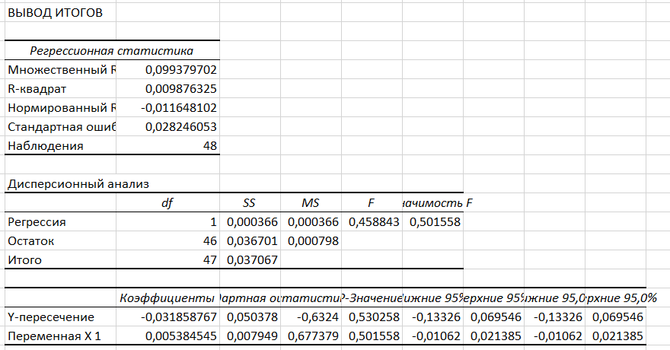
 | 12/8/2025 | -0,65% | 6,827 | -1,65% | 6,827 | -0.65% | -1.65% |  | 12/8/2025 | 6,875.20 | 6,903.46 | 6,801.79 | 6,827.41 | 6,827.41 | 24,722,970,000
 | 12/1/2025 | -4,27% | 6,870 | -2,50% | 6,870 |  |  |  | 12/1/2025 | 6,812.30 | 6,895.78 | 6,799.94 | 6,870.40 | 6,870.40 | 23,685,440,000
 | 11/24/2025 | 0,23% | 6,849 | 1,65% | 6,849 |  |  |  | 11/24/2025 | 6,636.54 | 6,850.86 | 6,630.70 | 6,849.09 | 6,849.09 | 18,086,610,000
 | 11/17/2025 | 2,52% | 6,603 | 0,33% | 6,603 | -4.27% | -2.50% |  | 11/17/2025 | 6,713.61 | 6,770.35 | 6,521.92 | 6,602.99 | 6,602.99 | 26,911,230,000
 | 11/10/2025 | 0,86% | 6,734 | 2,03% | 6,734 | 0.23% | 1.65% |  | 11/10/2025 | 6,785.36 | 6,869.91 | 6,646.87 | 6,734.11 | 6,734.11 | 26,159,530,000
 | 11/3/2025 | 2,40% | 6,729 | -2,14% | 6,729 | 2.52% | 0.33% |  | 11/3/2025 | 6,882.32 | 6,882.32 | 6,631.44 | 6,728.80 | 6,728.80 | 29,722,800,000
 | 10/27/2025 | -1,16% | 6,840 | -3,60% | 6,840 | 0.86% | 2.03% |  | 10/27/2025 | 6,845.46 | 6,920.34 | 6,814.26 | 6,840.20 | 6,840.20 | 29,717,690,000
 | 10/20/2025 | 1,85% | 6,792 | -1,41% | 6,792 | 2.40% | -2.14% |  | 10/20/2025 | 6,690.05 | 6,807.11 | 6,655.69 | 6,791.69 | 6,791.69 | 26,251,170,000
 | 10/13/2025 | 2,09% | 6,664 | 2,42% | 6,664 | -1.16% | -3.60% | PEPSI REGRESSION | 10/13/2025 | 6,622.53 | 6,724.12 | 6,555.07 | 6,664.01 | 6,664.01 | 28,010,240,000
 | 10/6/2025 | 0,57% | 6,553 | 5,71% | 6,553 | 1.85% | -1.41% |  | 10/6/2025 | 6,733.86 | 6,764.58 | 6,550.78 | 6,552.51 | 6,552.51 | 28,515,370,000
 | 9/29/2025 | 1,50% | 6,716 | 1,09% | 6,716 | 2.09% | 2.42% |  | 9/29/2025 | 6,661.58 | 6,750.87 | 6,641.00 | 6,715.79 | 6,715.79 | 28,583,160,000
 | 9/22/2025 | -0,88% | 6,644 | -0,93% | 6,644 | 0.57% | 5.71% |  | 9/22/2025 | 6,654.28 | 6,699.52 | 6,569.22 | 6,643.70 | 6,643.70 | 27,713,200,000
 | 9/15/2025 | -1,39% | 6,664 | -1,23% | 6,664 | 1.50% | 1.09% |  | 9/15/2025 | 6,603.49 | 6,671.82 | 6,551.15 | 6,664.36 | 6,664.36 | 30,628,230,000
 | 9/8/2025 | -1,50% | 6,584 | -1,52% | 6,584 |  | -0.93% |  | 9/8/2025 | 6,498.09 | 6,600.21 | 6,483.08 | 6,584.29 | 6,584.29 | 25,330,960,000
 | 9/1/2025 | -1,62% | 6,482 | -0,66% | 6,482 |  | -1.23% |  | 9/1/2025 | 6,401.51 | 6,532.65 | 6,360.58 | 6,481.50 | 6,481.50 | 18,986,250,000
 | 8/25/2025 | 0,30% | 6,460 | -0,51% | 6,460 | -0.88% |  |  | 8/25/2025 | 6,457.67 | 6,508.23 | 6,429.21 | 6,460.26 | 6,460.26 | 21,589,030,000
 | 8/18/2025 | -0,61% | 6,467 | 3,57% | 6,467 | -1.39% |  |  | 8/18/2025 | 6,445.02 | 6,478.89 | 6,343.86 | 6,466.91 | 6,466.91 | 22,070,540,000
 | 8/11/2025 | 2,15% | 6,450 | 4,26% | 6,450 | -1.50% | -1.52% |  | 8/11/2025 | 6,389.67 | 6,481.34 | 6,364.06 | 6,449.80 | 6,449.80 | 24,020,760,000
 | 8/4/2025 | -0,44% | 6,389 | -2,91% | 6,389 | -1.62% | -0.66% |  | 8/4/2025 | 6,271.71 | 6,395.16 | 6,271.71 | 6,389.45 | 6,389.45 | 25,844,550,000
 | 7/28/2025 | -0,97% | 6,238 | 0,14% | 6,238 | 0.30% | -0.51% |  | 7/28/2025 | 6,397.69 | 6,427.02 | 6,212.69 | 6,238.01 | 6,238.01 | 26,921,040,000
 | 7/21/2025 | -0,03% | 6,389 | 5,90% | 6,389 | -0.61% | 3.57% |  | 7/21/2025 | 6,304.74 | 6,395.82 | 6,281.71 | 6,388.64 | 6,388.64 | 26,068,830,000
 | 7/14/2025 | -2,08% | 6,297 | -0,09% | 6,297 | 2.15% | 4.26% |  | 7/14/2025 | 6,255.15 | 6,315.61 | 6,201.59 | 6,296.79 | 6,296.79 | 25,730,370,000
 | 7/7/2025 | 1,44% | 6,260 | 3,31% | 6,260 | -0.44% | -2.91% |  | 7/7/2025 | 6,259.04 | 6,290.22 | 6,201.00 | 6,259.75 | 6,259.75 | 25,812,670,000
 | 6/30/2025 | 2,17% | 6,279 | 1,52% | 6,279 | -0.97% | 0.14% |  | 6/30/2025 | 6,193.36 | 6,284.65 | 6,174.97 | 6,279.35 | 6,279.35 | 21,082,030,000
 | 6/23/2025 | -0,47% | 6,173 | -1,36% | 6,173 | -0.03% | 5.90% |  | 6/23/2025 | 5,969.67 | 6,187.68 | 5,943.23 | 6,173.07 | 6,173.07 | 29,409,290,000
 | 6/16/2025 | -1,03% | 5,968 | -1,08% | 5,968 | -2.08% | -0.09% |  | 6/16/2025 | 6,004.00 | 6,050.83 | 5,952.56 | 5,967.84 | 5,967.84 | 22,625,380,000
 | 6/9/2025 | 0,46% | 5,977 | 1,63% | 5,977 | 1.44% | 3.31% |  | 6/9/2025 | 6,004.63 | 6,059.40 | 5,963.21 | 5,976.97 | 5,976.97 | 24,565,200,000
 | 6/2/2025 | -0,31% | 6,000 | -2,00% | 6,000 | 2.17% | 1.52% |  | 6/2/2025 | 5,896.68 | 6,016.87 | 5,861.43 | 6,000.36 | 6,000.36 | 24,073,530,000
 | 5/26/2025 | 2,10% | 5,912 | 1,18% | 5,912 |  | -1.36% |  | 5/26/2025 | 5,854.07 | 5,943.13 | 5,843.66 | 5,911.69 | 5,911.69 | 20,979,720,000
 | 5/19/2025 | -1,58% | 5,803 | -2,47% | 5,803 |  |  |  | 5/19/2025 | 5,902.88 | 5,968.61 | 5,767.41 | 5,802.82 | 5,802.82 | 23,634,980,000
 | 5/12/2025 | -0,36% | 5,958 | 0,28% | 5,958 | -0.47% |  |  | 5/12/2025 | 5,807.20 | 5,958.62 | 5,786.08 | 5,958.38 | 5,958.38 | 26,606,460,000
 | 5/5/2025 | -1,50% | 5,660 | -6,62% | 5,660 | -1.03% | -1.08% |  | 5/5/2025 | 5,655.32 | 5,720.10 | 5,578.64 | 5,659.91 | 5,659.91 | 24,335,450,000
 | 4/28/2025 | 2,20% | 5,687 | -1,10% | 5,687 | 0.46% | 1.63% |  | 4/28/2025 | 5,529.22 | 5,700.70 | 5,433.24 | 5,686.67 | 5,686.67 | 24,244,170,000
 | 4/21/2025 | 2,13% | 5,525 | -1,48% | 5,525 | -0.31% | -2.00% |  | 4/21/2025 | 5,232.94 | 5,528.11 | 5,101.63 | 5,525.21 | 5,525.21 | 23,198,970,000
 | 4/14/2025 | -0,62% | 5,283 | -1,78% | 5,283 | 2.10% | 1.18% |  | 4/14/2025 | 5,441.96 | 5,459.46 | 5,220.79 | 5,282.70 | 5,282.70 | 18,671,180,000
 | 4/7/2025 | -3,17% | 5,363 | 2,62% | 5,363 | -1.58% | -2.47% |  | 4/7/2025 | 4,953.79 | 5,481.34 | 4,835.04 | 5,363.36 | 5,363.36 | 37,869,410,000
 | 3/31/2025 | 0,30% | 5,074 | -2,11% | 5,074 | -0.36% | 0.28% |  | 3/31/2025 | 5,527.91 | 5,695.31 | 5,069.90 | 5,074.08 | 5,074.08 | 29,999,550,000
 | 3/24/2025 | -0,20% | 5,581 | 0,64% | 5,581 | -1.50% | -6.62% |  | 3/24/2025 | 5,718.08 | 5,786.95 | 5,572.42 | 5,580.94 | 5,580.94 | 22,085,260,000
 | 3/17/2025 | 3,60% | 5,668 | -0,02% | 5,668 | 2.20% | -1.10% |  | 3/17/2025 | 5,635.60 | 5,715.33 | 5,597.76 | 5,667.56 | 5,667.56 | 28,404,010,000
 | 3/10/2025 | 7,89% | 5,639 | 7,05% | 5,639 | 2.13% | -1.48% |  | 3/10/2025 | 5,705.37 | 5,705.37 | 5,504.65 | 5,638.94 | 5,638.94 | 27,732,600,000
 | 3/3/2025 |  |  | -0,82% | 5,770 | -0.62% | -1.78% |  | 3/3/2025 | 5,968.33 | 5,986.09 | 5,666.29 | 5,770.20 | 5,770.20 | 27,908,150,000
 |  |  |  |  |  | 2.49% | 2.62%
 |  |  |  |  |  |  | -2.11%

 |  |  |  |  |  | -3.17%
 |  |  |  |  |  | 0.30% | 0.64%
 |  |  |  |  |  | -0.20% | -0.02%
 |  |  |  |  |  | 3.60% | 7.05%
 |  |  |  |  |  | 7.89% | -0.82%

